Mood
Participant | Group | Ex_Im_B_En | Ex_2H_B_En | Ex_4H_B_En | Con_Im_B_En | Con_2H_B_En | Con_4H_B_En | Ex_Im_B_Ti | Ex_2H_B_Ti | Ex_4H_B_Ti | Con_Im_B_Ti | Con_2H_B_Ti | Con_4H_B_Ti | Ex_Im_B_Calm | Ex_2H_B_Calm | Ex_4H_B_Calm | Con_Im_B_Calm | Con_2H_B_Calm | Con_4H_B_Calm | Ex_Im_B_Ten | Ex_2H_B_Ten | Ex_4H_B_Ten | Con_Im_B_Ten | Con_2H_B_Ten | Con_4H_B_Ten
2 | 2 | 0.3 | -0.2 | -0.4 | -0.2 | -0.2 | -0.6 | -0.4 | 0.4 | 0.5 | 0.4 | 0.1 | 0.5 | -0.2 | -0.2 | -0.1 | 0.0 | -0.1 | -0.1 | 0.2 | 0.4 | 0.4 | 0.2 | 0.0 | 0.0
3 | 2 | 1.0 | 0.4 | 0.4 | -0.2 | 0.2 | 0.0 | -1.0 | -0.9 | -0.8 | 0.1 | 0.1 | 0.3 | -0.6 | -0.1 | -0.1 | 0.0 | -0.2 | -0.2 | -1.1 | -1.2 | -1.3 | -0.1 | -0.4 | -0.4
4 | 2 | 0.9 | 0.9 | 1.1 | 0.0 | 0.5 | 0.6 | -1.2 | -1.1 | -1.4 | -0.3 | -1.4 | -1.3 | -0.3 | -0.2 | 0.0 | 0.0 | -0.2 | -0.4 | 0.2 | 0.2 | 0.2 | 0.0 | 0.0 | 0.2
5 | 2 | 0.3 | 0.0 | 0.4 | 0.4 | 0.4 | 0.4 | -0.2 | 0.0 | -1.0 | -0.1 | -0.1 | -0.4 | 0.0 | -0.1 | -0.2 | 0.1 | -0.3 | -0.1 | 0.0 | 0.0 | 0.1 | 0.0 | 0.1 | 0.0
6 | 2 | 0.6 | 0.6 | 1.0 | 0.4 | 1.1 | 1.2 | -0.9 | -0.8 | -1.4 | -0.4 | -0.9 | -1.5 | -0.2 | -0.1 | -0.2 | -0.1 | -0.4 | -0.1 | 0.1 | 0.0 | 0.0 | 0.0 | -0.1 | -0.2
7 | 2 | 0.6 | 0.3 | 0.4 | 0.1 | 0.4 | 0.6 | -0.5 | 0.1 | 0.0 | -0.5 | -0.8 | -0.7 | -0.1 | 0.1 | 0.4 | 0.0 | -0.2 | -0.1 | 0.2 | 0.2 | 0.1 | 0.1 | 0.0 | 0.1
8 | 2 | 2.9 | 2.2 | 2.7 | 0.6 | 2.3 | 2.8 | -2.6 | -2.4 | -2.6 | -1.0 | -2.5 | -2.8 | -2.4 | -0.3 | -0.1 | -0.6 | -0.8 | 0.0 | 0.8 | -0.1 | -0.6 | -0.3 | 0.0 | -0.6
9 | 2 | 0.8 | 1.0 | 1.0 | 0.3 | 0.6 | 0.2 | -1.1 | -1.2 | -1.3 | -0.3 | -0.7 | -0.8 | 0.0 | -0.1 | -0.2 | 0.0 | -0.2 | -0.2 | 0.1 | 0.1 | 0.0 | 0.0 | 0.0 | -0.1
10 | 1 | 0.3 | -0.3 | 0.0 | 0.1 | 0.3 | 0.7 | -0.2 | 0.0 | -0.2 | -0.7 | -0.5 | -1.0 | -0.4 | 0.3 | 0.0 | 0.2 | 0.2 | -0.2 | 0.0 | 0.0 | 0.0 | 0.0 | 0.0 | 0.0
11 | 1 | 0.0 | 0.0 | 0.1 | 0.0 | 0.2 | 0.2 | 0.1 | -0.3 | -0.4 | -0.2 | -0.3 | -0.5 | -0.2 | 0.0 | -0.2 | -0.3 | -0.5 | -0.4 | -0.1 | 0.1 | -0.2 | 0.0 | -0.2 | -0.1
12 | 1 | 1.0 | 1.7 | 1.4 | 0.0 | 0.4 | 0.4 | -0.7 | -1.6 | -1.5 | 0.1 | -0.4 | -0.7 | -0.3 | -0.8 | -0.5 | 0.1 | 0.0 | -0.5 | -0.4 | -0.9 | -0.5 | 0.0 | -0.1 | -0.1
13 | 1 | 0.4 | 0.1 | 0.2 | 0.0 | 0.2 | 0.2 | -0.6 | 0.0 | -0.4 | -0.1 | -0.4 | 0.0 | -0.2 | -0.3 | -0.2 | 0.0 | 0.0 | 0.2 | 0.0 | 0.1 | 0.0 | 0.0 | 0.0 | 0.0
14 | 1 | 0.6 | 0.7 | 0.8 | 0.2 | 0.8 | 0.0 | -0.5 | -0.6 | -1.0 | 0.1 | -0.5 | 0.2 | -0.4 | -0.2 | -0.2 | -0.5 | -0.4 | 0.1 | -0.2 | 0.0 | -0.5 | -0.1 | 0.2 | 0.2
15 | 1 | 0.4 | 0.3 | 0.3 | 0.4 | 0.6 | 0.7 | -0.7 | -0.8 | -0.9 | -0.6 | -0.8 | -1.3 | 0.1 | 0.0 | -0.2 | 0.1 | 0.0 | 0.0 | -0.2 | 0.0 | -0.1 | -0.1 | -0.1 | -0.2
16 | 1 | 0.5 | 1.0 | 0.5 | -0.2 | 0.0 | 0.0 | -0.4 | -0.8 | -0.8 | 0.1 | -0.5 | -0.4 | -0.6 | -0.6 | -0.2 | 0.0 | -0.1 | -0.2 | 0.1 | 0.2 | 0.1 | -0.1 | 0.2 | 0.0
17 | 1 | 0.1 | -0.2 | -0.2 | 0.0 | 0.1 | 0.2 | 0.1 | 0.1 | 0.2 | 0.3 | 0.2 | 0.0 | 0.1 | 0.1 | 0.0 | 0.0 | -0.1 | -0.3 | 0.0 | 0.0 | 0.0 | 0.0 | 0.0 | 0.0
18 | 1 | 1.0 | 0.9 | 1.0 | 0.8 | 1.2 | 1.2 | -1.4 | -1.5 | -1.6 | -0.8 | -1.6 | -1.6 | -0.6 | -0.7 | -0.8 | -0.1 | -0.3 | -0.2 | 0.2 | 0.0 | 0.2 | 0.0 | 0.1 | 0.4

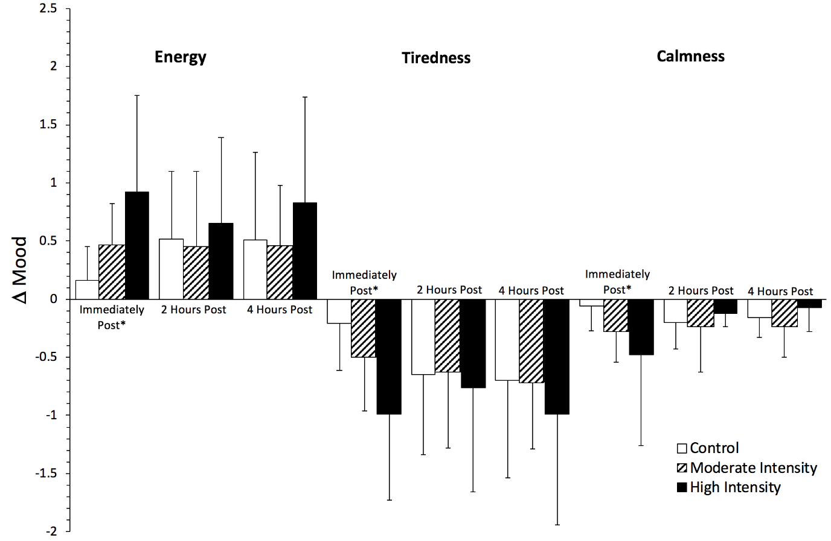
Key
Group 1: | Moderate Intensity
Group 2: | High Intensity

Ex | Exercise Condition
Con | Control Condition
Im | Immediately post-intervention
2H | 2 hours post-intervention
4H | 4 hours post-intervention
En | AD-ACL Energy subscale
Ti | AD-ACL Tiredness subscale
Calm | AD-ACL Calmness subscale
Ten | AD-ACL Tension subscale

